Oppgave 4
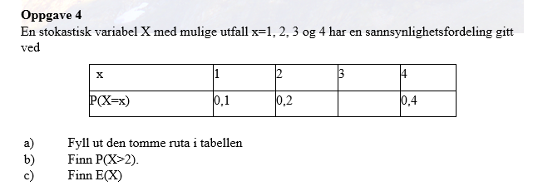
a) P(X=3)= | 0.3

b) P(X>2)=P(X=3)+P(X=4)= |  | 0.7

c)
x | P(X=x) | x*P(X=x)
1 | 0.1 | 0.1
2 | 0.2 | 0.4
3 | 0.3 | 0.9
4 | 0.4 | 1.6
 | E(X)= | 3

